Sheet1
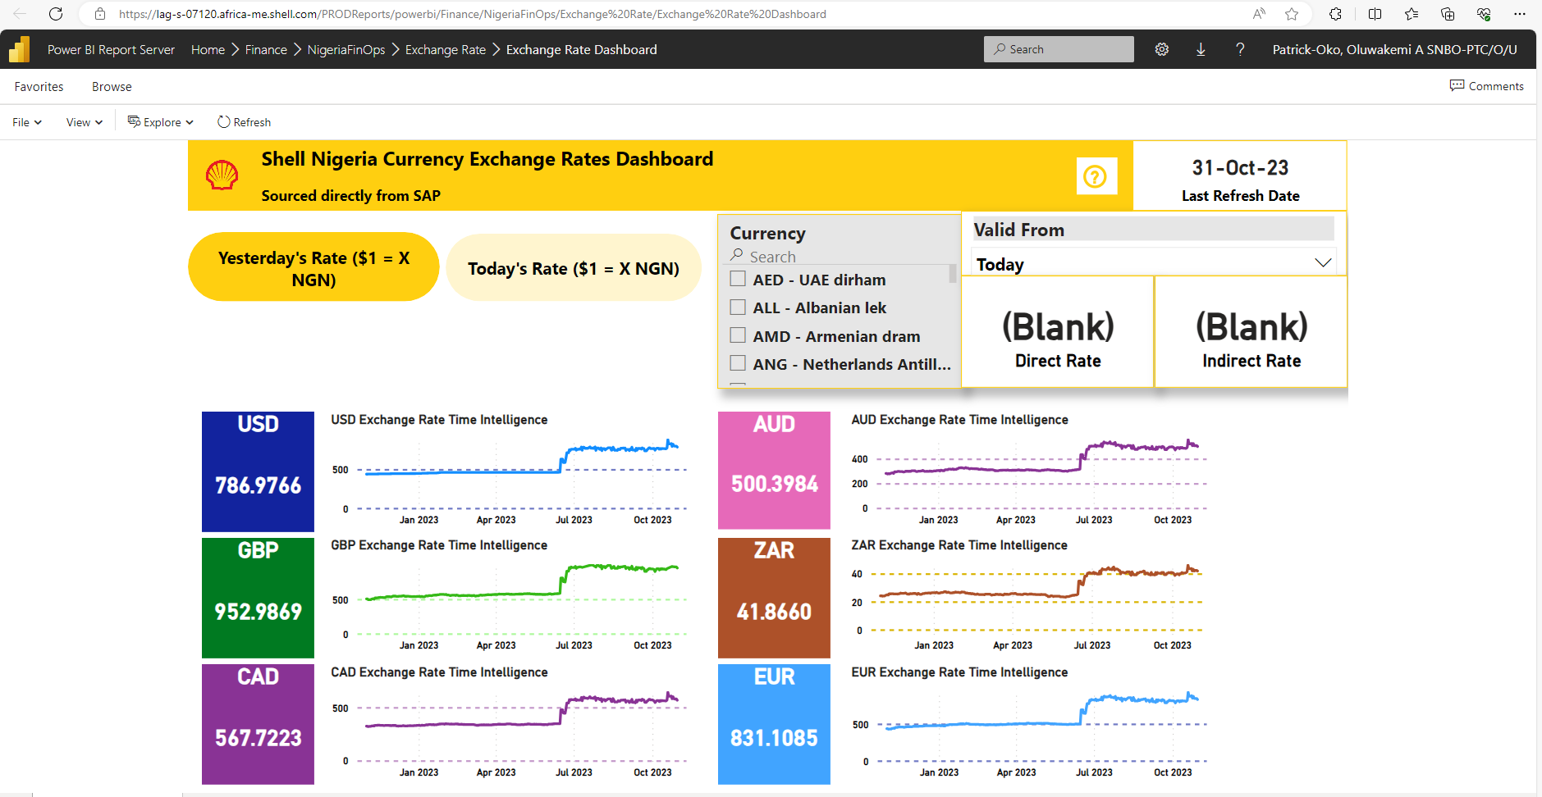
Initiative | NGN | USD | FUSD
SPDC Insurance Savings 2023 | 277,106,608.72 | 38,340.20 | 390,458.59

Exchange rate of $1=NGN786.97 based on Shell published rate of 31-Oct-2023

